Sheet1
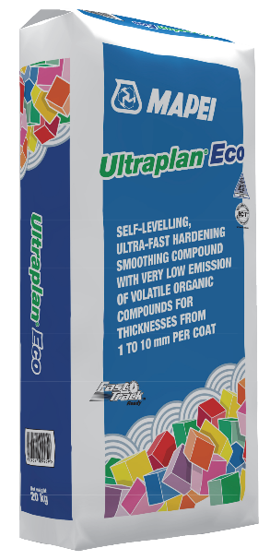

Self-levelling, ultra quick-hardening smoothing compounds for thicknesses from 1 to 10 mm, with very low emission level of volatile organic compounds (VOC)

CALCULATOR

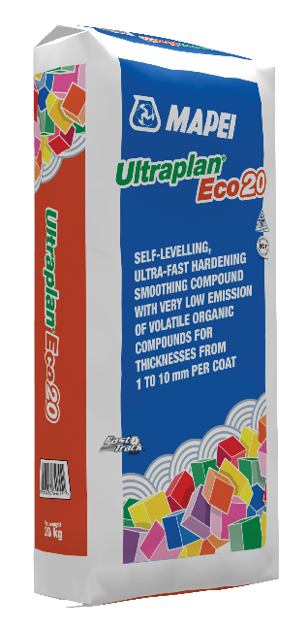
Capture square meterage to be covered | M²
Capture thickness required - MAX 10mm | Thickness
Calculated KG's of product required | Total KG | 0
Calculated number of 20 kg bags required | Bags | 0

